Sheet1
NAME | BFD1 N Mandarinas | BFD2 N mandarinas | BFD4 N San Juan
MVF20 | L* L% | L* L% | L* L%
MVF21 | L+H* L% | L+H* L% | L* L%
MVF26 | L* L% | L* L% | L* L%
MVF34 | L* L% | L+¡H* L% | L* L%
MVF36 | L+H* L% | L+H* L% | L* L%
MVF49 | L* L% | L+H* L% | L* L%
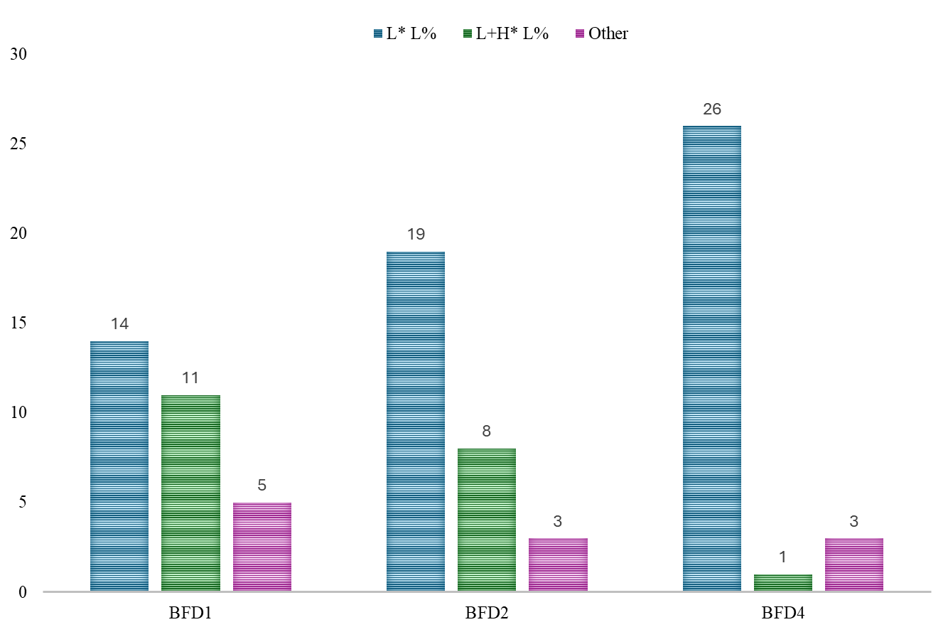
MVF50 | L* L% | L* L% | L* L%
MVF55 | L+H* L% | L+H* L% | L* L%
MVF58-2 | L+H* L% | L* L% | L* L%
MVF59 | L+H* L% | L* L% | L* L%
MVF63 | L* L% | L+H*+L L% | NA
MVF64 | L* L% | L+H* L% | L* L%
MVF76 | L+H* L% | L+H* L% | L* L%
MVF77 | L* L% | L* L% | NA
MVF77-2 | L+H* L% | L* L% | L* L%
MVM21 | L* L% | L* L% | L* L%
MVM23 | L+H* L% | L+H* L% | !H* !H%
MVM26-2 | L* L% | L* L% | L* L%
MVM28 | L* L% | L* L% | L* L%
MVM31 | L* !H% | L* L% | L* L%
MVM36 | L+H* L% | L* L% | L* L%
MVM37 | NA | L* L% | L* L%
MVM42 | L* L% | L+H* L% | L* L%
MVM42-2 | H+L *L% | L* L% | L* L%
MVM44 | L+H* L% | L* L% | L* L%
MVM49 | L+H* L% | L* L% | L* L%
MVM50 | H+L* L% | L* L% | L* L%
MVM68 | L* L% | L* L% | L* L%
MVM69 | L* L% | L* L% | L* L%
MVM78 | L+H*+L L% | L+¡H* L% | L+H* L%

